PRD
Product Requirement Document (PRD) - Version: 1.0
 |  | NAME : SADI, S M | ID: 21-45132-2 | WEBTECH[F]
Template Name |  | Platform Features for Tutoring and Education Services
Goals & Objective |  | Finding a good tutor is very challenging nowadays. A online platform for finding good teachers and interact with students can solve this issue where a student can see the teachers background pay his/her tution fees. Gurdian can also become the part of the systm whrere they can pay the fee. An admin will monitor the entire system. Teacher-facing features: -Teacher can choose the tution area by his own preference - Teacher can see student background information - Can see his payment - Teacher can look for new tution in his/her area - Teacher can give feedback to the students and guradians
Client Information
Product Type |  | Web Application
Domain |  | Web2
Access Layers |  | Student, Teacher, Guardian, Admin
Design Required |  | Yes

Phase | Item No | Specification [Role] | Screen Definition | User Story | Acceptance Criteria | UI Screen / Wireframe | Tags
Feature: 1 |  | Feature 1: Auth Feature
phase 1 | 1 | Signup [Teacher][Student][Guardian] | <Form> <input=name> <input=email> <input=gender> <input=dob> <input=password> <input=re-password> <input=user-type> <button=signup> <link=signin> | - Enter Full name (input) - Enter unregistered email (input) - Enter password (input) [Logic: At least 8 characters long, atleast one special character] - Enter password again (input) [Logic: should match password input] - Choose user type [user,miner] - Click Signup (button) [Logic: If the email is unique, user will be registered to the sysmem (databse)] - Signin (link) [Logic: redirect user to Login page] | - Email (input) field should only accept valid unregistered email address as input, otherwise will show an 'email already used' message. - Password (input) should be minimum 8 characters long. Otherwise show an invalid message. - Re-password (input) should match password. Otherwise show 'password do not match' message. - User type must be selected. Otherwise show 'Please select a user type'. - On clicking signup button, credential will be stored in database, user will be redirected to his dashboard. - A copy of the login information will be sent to his email. | 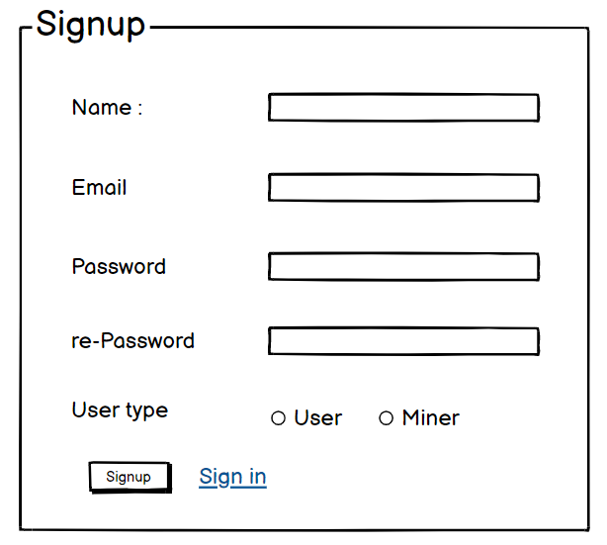 | signup
phase 1 | 2 | Signin[Teacher][Student][guardian] | <Form> <input=email> <input=password> <option=remember me> <button=signin> <link=signup> <link=forgot password> | - Enter Email (input) - Enter password (input) - signin (button) - signup (link) - forgot password (link) | - Email must match database email - password must match database password - User go to dashboard (if email & password match with database) - User is promt with an error. "Email or password does not match!". (if email & password match with database) - clicking signup should take user to signup page - clicking forgot password should take him to forgot password page | 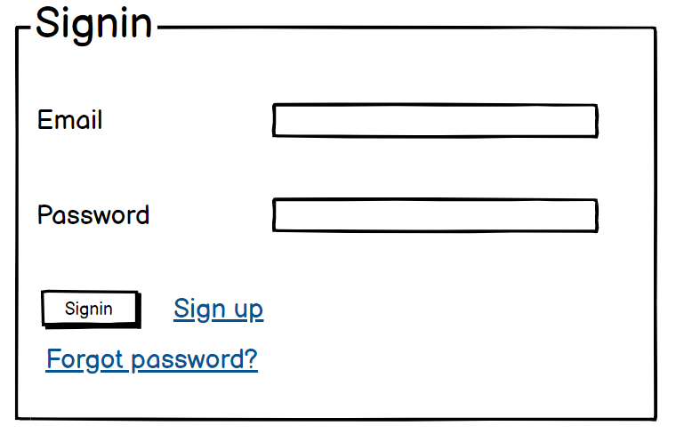 | signin
phase 1 | 3 | Forgot password [Teacher][Student][Gurdian] | <Form> <input=email> <button=send code> <input=code> <input=password> <input=confirm Password> <button=submit> | - Enter email (input) - Press send code (button) - Enter new password (input) - Re-type new password (input) - click on change passowrd to update password (button) | - email must match DB email or promt "No email found!" - pressing send code will print a message "code sent!" and the code can be found at user info row. - enter new password [At least 8 characters long, atleast one special character] - re-type new password [it should match new password] - clicking submit button will show user -> "password changed" if all info match criteria or it'll indicate what's wrong | 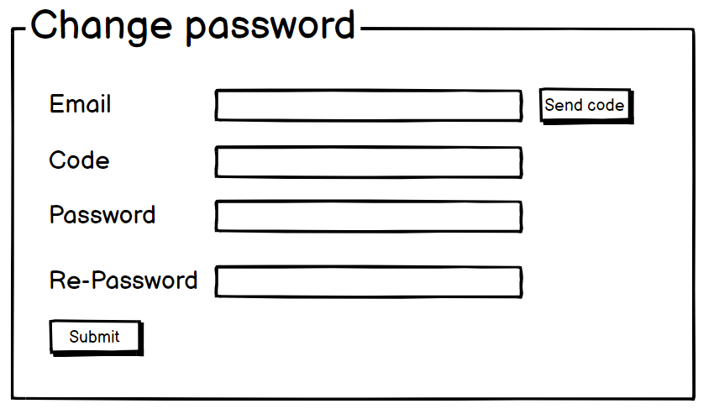 | forgot_password
Feature: 2 |  | Feature 2: Dashboard
phase 1 | 4 | Menu [Teacher][Student][Guardian] | Dashboard Send money Public Ledger Latest Blocks View Profile Edit Profile Change Profile Photo Change Password | - Dashboard(link) - Send money(link) - public ledger (link) - Latest Blocks (link) - View Profile(link) - Edit profile(link) - change profile photo(link) - change password(link) | - clicking dashboard will take user to dashboard page - go to send money page on click - go to public ledger on Click - go to Latest blocks page on click - go to view profile page on click - go to edit profile page on Click - go to change profile page on Click - go to change password page on Click |  | Menu
phase 1 | 5 | Menu[Teacher][Student] | <Unordered list> Dashboard Jobs Tutor Profile Tutoring History Payment Membership Premium Member Batches Settings | - Dashboard(link) - Dashboard(link) - Jobs(link) - Profile(link) - History(link) - Payment(link) - Membership(link) - Premium Member(link) - Batches(link) - Settings(link) | - clicking dashboard will take user to dashboard page - clicking dashboard will take user to dashboard page - go to jobs on Click - go to profile page on click - go to teaching history page on click - go to payment page on click - go to membership page on click - go to prmium membership page on click - go to batches page on Click - go to settings page on Click
phase 1 | 6 | Dashboard [Teacher] [Student][Guardian] | <table> Balance : 100.23 BTC View transaction history (link) Your public key Your private key Your bitcoin address | - Balance (text) - trx history(link) - public key (text) - private key(text) - bitcoin address(text) | - show appropiate Balance ( should not be less than 0) - clicking trx history link will take user to trx history page - public key is shown - private key is only shown when clicked - bitcoin address is shown
Feature: 3,4 |  | Feature 3: Top bar and Feature:4 Bottom Bar
phase 1 | 7 | Top bar | table row 1 col1 : logo col2 : leave it blank table row 1 col3 : Logged in as, smsadi2001@gmail.com | logout | - clicking on logo will take user to dashboard - clicking on logout will logout user | - logout should erase cookie and user should not be able to go to dashboard without login again
phase 1 | 8 | Bottom Bar | social media links, contact number, copyright and year | none | none
Feature: 5 |  | Feature 5: Jobs
phase 2 | 9 | Jobs[teacher] | <form> <select = filter> <input = enter tution id > <select = nearby avaliable tution> <input = message> <button = next page> </form> | - select filtered students(select) - enter tution id (input) - select tution (select) - write your necessary info which is visible to all(input) - write anything in message (input) - click next page(button) | - User must enter valid tution id[otherwise prompt an error] - User must select tution if he/she is interested - User can write anything in the message box if they want - User have to click next button for the next page

Feature: 6 |  | Feature 6 : Profile
phase 1 | 15 | View Profile[teacher][Student][Guardian] | <table> Personal Information: Name, email, phone , DOB, gender , Location : House, road, city Educational Information : SSC, HSC, BSc , MSc , Diploma, Madrasa | - Full name of user (view) - email of user (view) - phone number of user (view) - date of birth of the user (view) - user gender type - House, Road and city Addressf user (view) - SSC information (view) - HSC information (view) - BSc information (view) - MSC information (view) - Dipoloma/Madrasa information (view) | - No null values - Edit button should take user to edit page
phase 1 | 16 | Edit Profile[teacher][Student][Guardian] | <table> <input = Name > <input = Email > <input = Phone > <date input = Date of Birth > <radio button = gender > <input = House> <input = Road > <input = City > <input = SSC Info> <input = HSC Info> <input = BSC Info> <input = MSC Info> <input = Diploma/Madrasa Info> <button = save > | - can edit name - can edit email - can edit phone - can edit date of birth - can edit gender - can edit House - can edit Road - can edit City - can edit SSC - can edit HSC - can edit MSC - can edit Madrasa/Diploma | - must have correct information, No Null values will be accepted - email should be in correct format [teacher@gmail.com] - phone number should be in correct format [11 digits] - date of birth should be in at least 15 years - upload Certificates for ensuring correct information - clicking save button will either promt with an error if above rules do not meet or a promt notifying the user about successful change
phase 1 | 17 | Change Profile Photo[teacher][Student][Guardian] | <table> <current image> <input type="file"> <button = confirm> | - current image of teacher is shown - user can choose new photo from device - after choosing new photo, user can confirm by pressing confirm button | - current image/ default image is shown - input file should be an image and not any other format [png,jpg format] - cofirm button should redirect user to view profile page
phase 1 | 18 | Change Password[Teacher][Student][Guardian] | <table> <input type="password"> current password <input type="password"> new password <input type="password"> confirm password <button=change> | - type current password - type new password - type new password again | - user can type current password [it should match database password] - Password (input) should be minimum 8 characters long. Otherwise show an invalid message. - Re-password (input) should match password. Otherwise show 'password do not match' message. - On clicking signup button, credential will be stored in database, user will be prompted with a message. [sucessfully changed / something went wrong]

Feature: 7 |  | Feature 7: Payment
phase 3 | 24 | View Payment | <Form> <input=tution ID> <input=Amount received> <option=QR Scan?> <button=withdraw> <button=submit> | -Shows received amount -Shows tution ID -Scan QR -Select withdraw -submit feedback | -Type amount to be paid -amount (Input) should be numbers. . -amount will be deducted from user’s account balance if withdrawn
Feature: 8 |  | Feature 8: Transaction Deatails
phase 3 | 25 | View all received payments[Teacher] | <Form> < tution ID> < Amount received> <button=withdraw> <button=submit> | - shows tution ID - Amount received -button=withdraw -button=submit | -Teacher can see the transaction details from the student.

Feature: 9 |  | Feature 9 :Transaction History
phase 3 | 27 | View all received payments[tracher] | <Form> <All tution ID> <All Amount received> <option=QR Scan> <button=withdraw> <button=submit> | =E58 | - Teacher can see all the transaction details history - Teacher can see all the students details history. - Teacher can see all the withdraw details history.
Feature: 10 |  | Feature 10 : Legal Aggrement Feature
phase 3 | 28 | View Terms and Condition | <View> <Text>Terms and Conditions</Text> <ScrollView> <Text>...Text content goes here...</Text> </ScrollView> <Button>Agree and Continue</Button> </View> | - All the term and condition should visible over here.
Feature: 11 |  | Feature 11: About
phase 3 | 29 | About the website | About the website and rules |  | .
Feature: 12 |  | Feature 12: FAQ
Feature: 13 |  | Feature 13: Membership
phase 3 | 31 | Membership[teacher]
Feature: 14 |  | Feature 14: Premium Member
phase 3 | 32 | Premium Member[Teacher]
Feature: 15 |  | Feature 15: Settings
phase 3 | 33 | Settings | <Form> <Profile link = Sign-up Information> <input = name> <input phone> <input = email> <Email & Notifications> <submit = SMS Alert> <Password & Security> </Form> | - shows profile link -shows teachers name -shows provided phone number -shows provided email -button = SMS notofication on phone number

